T-SHIRT
T-SHIRT IMAGE | SKU-ID | QTY. | AMAZON | FLIPKART | MEESHO | CLUBFACTORT

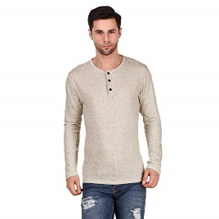
 | WK-WH-PRINT
 | S | 5
 | M | 2
 | L | 0
 | XL | 0
 | XXL | 0

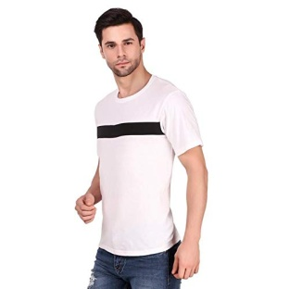

 | WH-HR-WH-CK
 | S | 4
 | M | 9
 | L | 7
 | XL | 4
 | XXL | 0

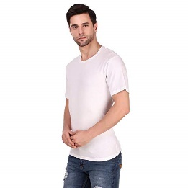
 | WH-HR-WH
 | S | 5
 | M | 6
 | L | 7
 | XL | 3
 | XXL | 0
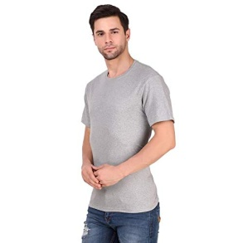

 | WH-HR-GRY
 | S | 4
 | M | 6
 | L | 5
 | XL | 2
 | XXL | 0

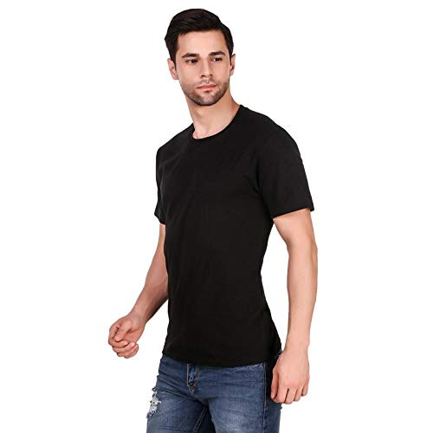
 | WH-HR-BK
 | S | 5
 | M | 9
 | L | 9
 | XL | 4
 | XXL | 0

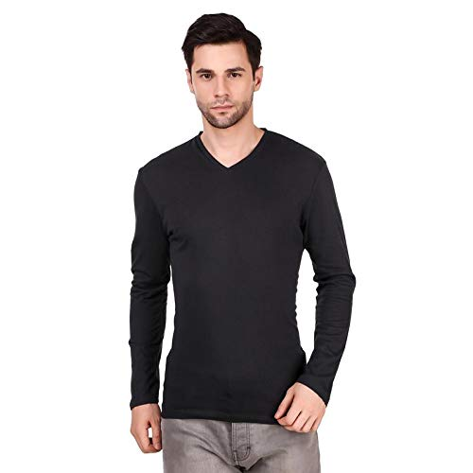
 | WH-FV-BK
 | S | 4
 | M | 8
 | L | 18
 | XL | 7
 | XXL | 0

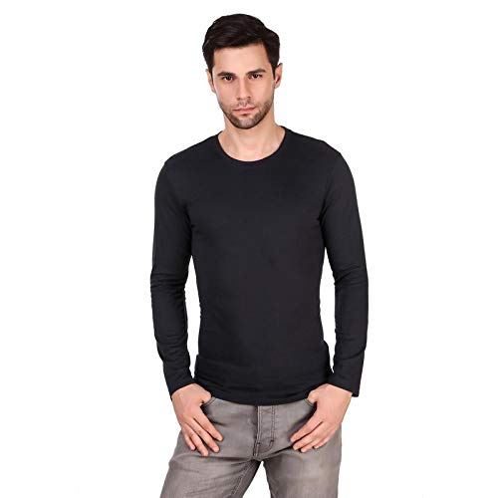
 | WH-FR-BK
 | S | 6
 | M | 17
 | L | 13
 | XL | 4
 | XXL | 0

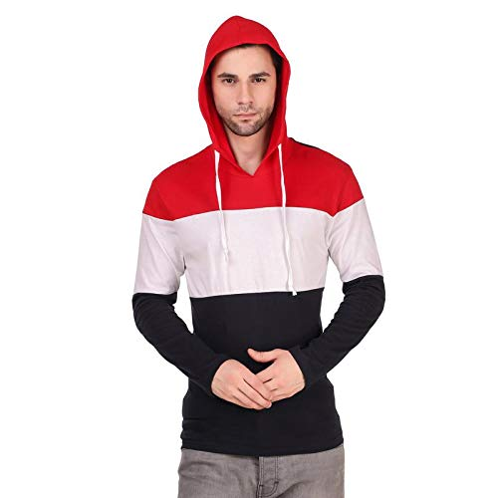
 | HOO-BKWHRD
 | S | 5
 | M | 6
 | L | 6
 | XL | 6
 | XXL | 0

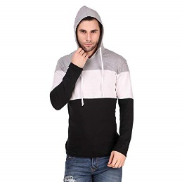
 | HOO-BKGYWH
 | S | 5
 | M | 10
 | L | 9
 | XL | 4
 | XXL | 0

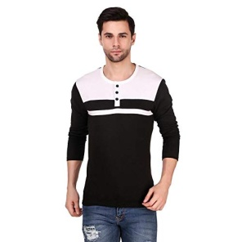

 | WH-FBR-BKWH
 | S | 5
 | M | 8
 | L | 9
 | XL | 4
 | XXL | 0
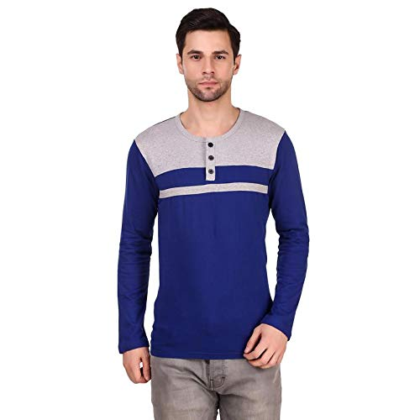
 | WH-FBR-BUGRY
 | S | 4
 | M | 7
 | L | 7
 | XL | 3
 | XXL | 0

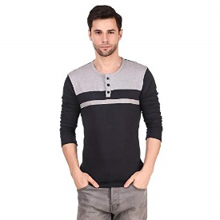
 | WH-FBR-BKGRY
 | S | 5
 | M | 6
 | L | 8
 | XL | 4
 | XXL | 0
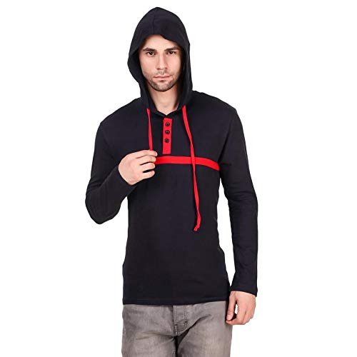

 | WH-HB-BKRD
 | S | 4
 | M | 8
 | L | 7
 | XL | 4
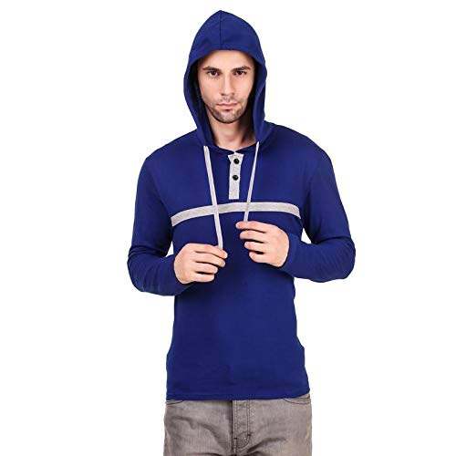
 | XXL | 0

 | WH-HB-BUGR
 | S | 4
 | M | 7
 | L | 6
 | XL | 4
 | XXL | 0
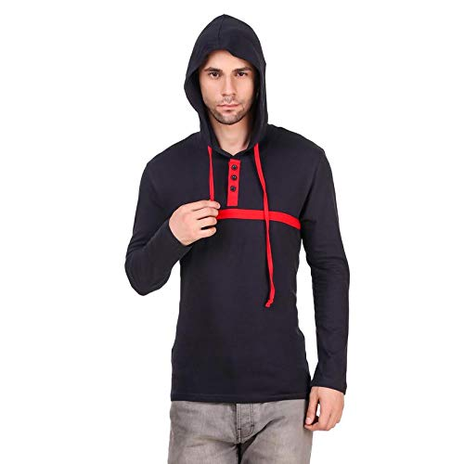
 | WH-HB-NVYR
 | S | 4
 | M | 7
 | L | 8
 | XL | 4
 | XXL | 0

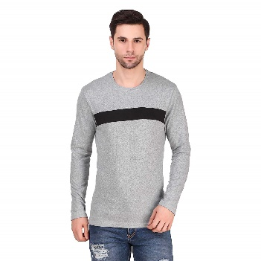
 | WH-FR-BLGRY-C

 | S | 5
 | M | 7
 | L | 6
 | XL | 4
 | XXL | 0
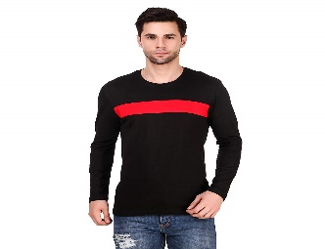
 | WH-FR-BLRED-C
 | S | 4
 | M | 7
 | L | 6
 | XL | 4
 | XXL | 0
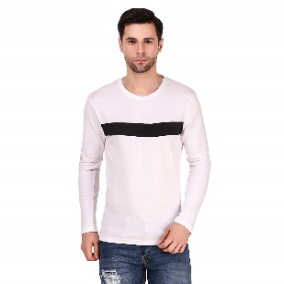
 | WH-FR-WHBL-C
 | S | 0
 | M
 | L
 | XL
 | XXL | 0

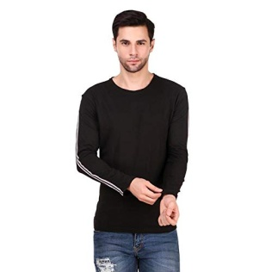
 | WH-FR-BK-HC
 | S | 4
 | M | 6
 | L | 7
 | XL | 4
 | XXL | 0

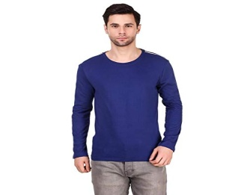
 | WH-FR-BU-HC
 | S | 4
 | M | 7
 | L | 6
 | XL | 4
 | XXL | 0
 | WH-FR-NVY-HC
 | S | 5
 | M | 11
NOT LISTING | L | 11
 | XL | 5

 | WH-FR-GRAY
NOT LISTING | S | 0
 | M | 5
 | L | 7
 | XL | 3

saree
PRODUCT | SKUID | QTY

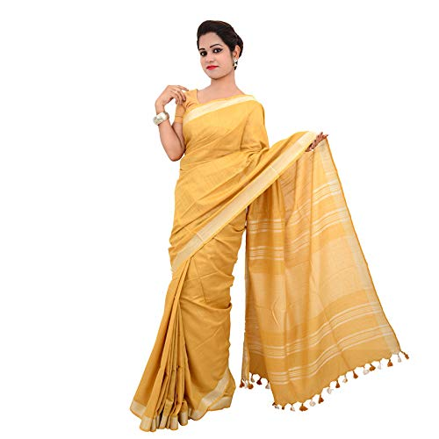

 | WH-S-PLAIN-AMBER

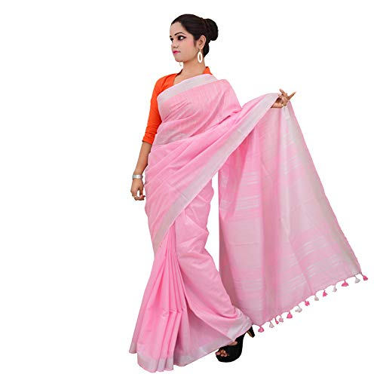

 | WH-S-PLAIN BABY PINK

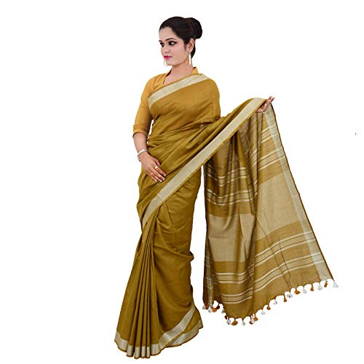

 | WH-S-PLAIN-OCHER

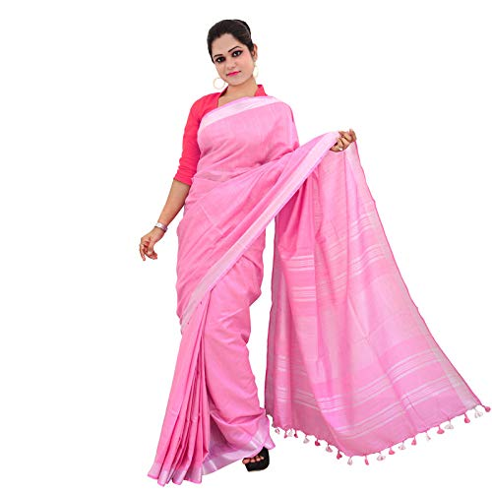

 | WH-S-PLAIN-PINK

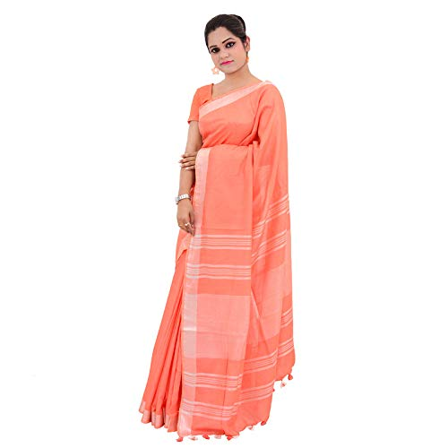

 | WH-S-PLAIN-SALMON

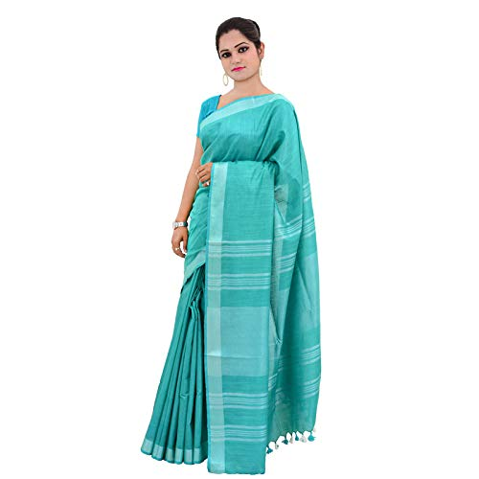

 | WH-S-PLAIN-SKY BLUE

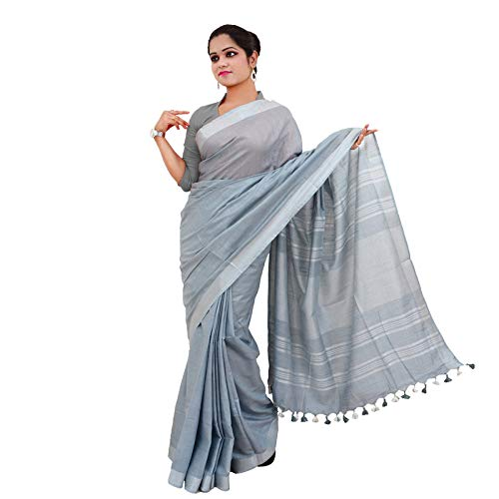

 | WH-S-PLAIN-SLATE

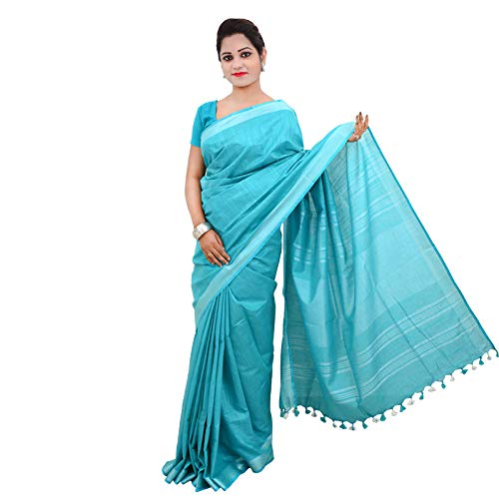

 | WH-S-PLAIN-TURQUIOSE

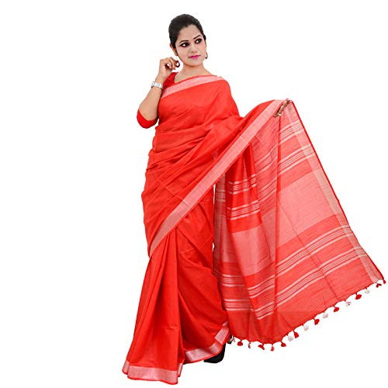

 | WH-S-PLAIN-RED

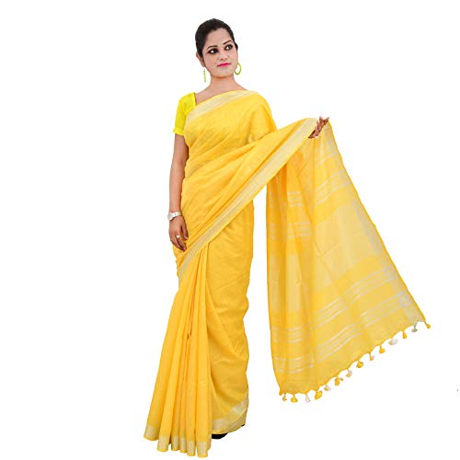

 | WH-S-PLAIN-YELLOW

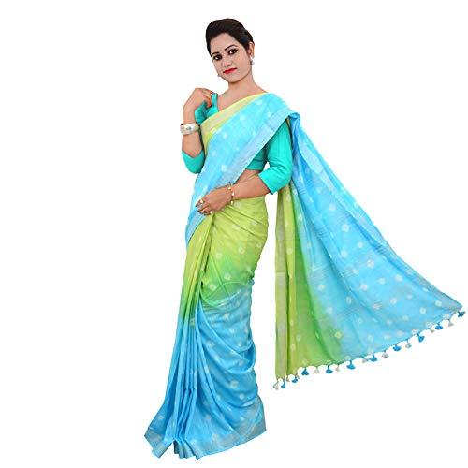

 | WH-S-CP-SKYGRN

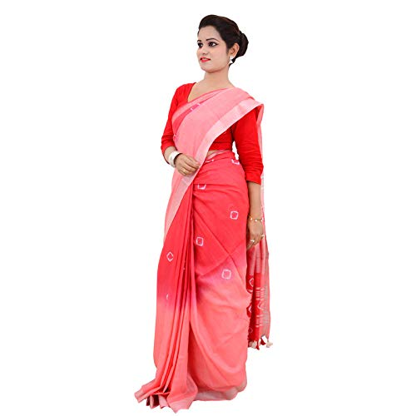

 | WH-S-CP-PNKRED

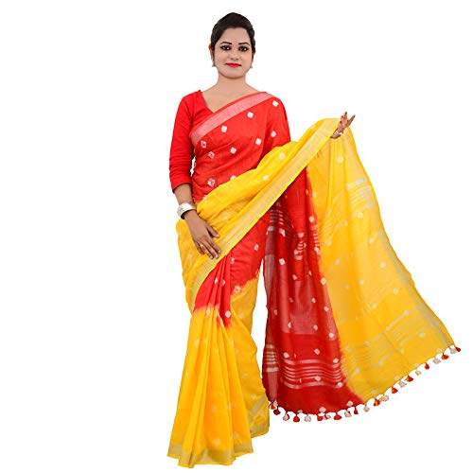

 | WH-S-CP-REDYELLOW

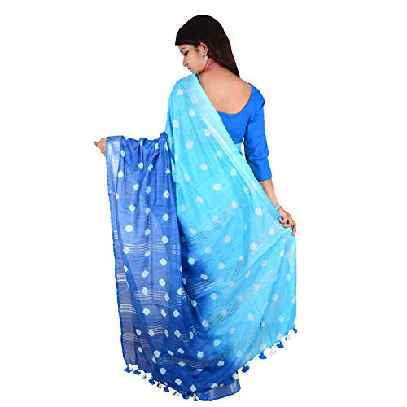

 | WH-S-CP-NAVYSKY

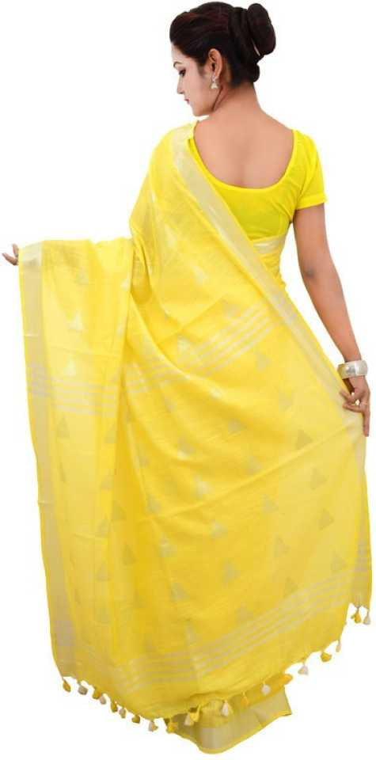

 | WH-SA-TRANGLE-YELLOW

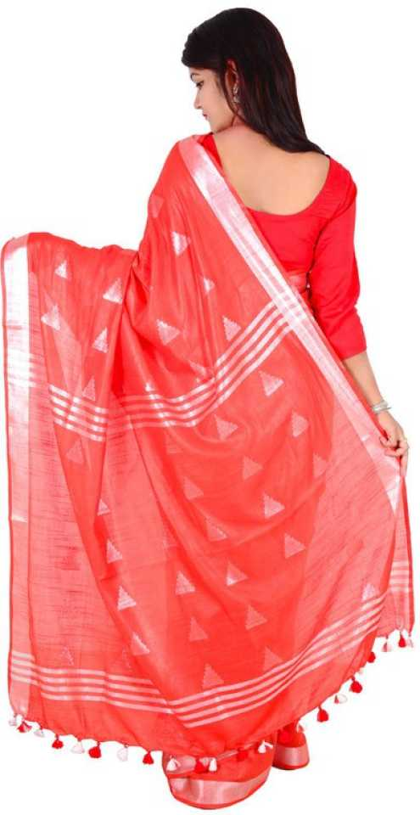

 | WH-SA-TRANGLE-RED

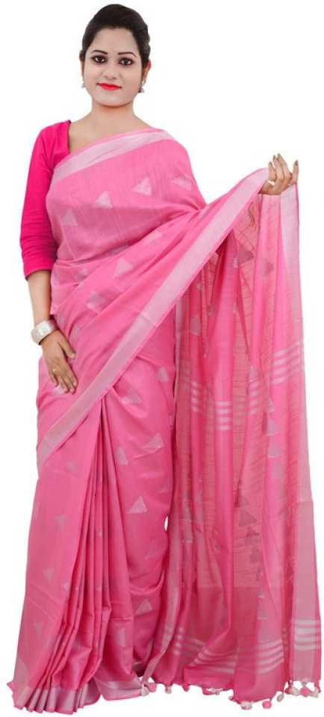

 | WH-SA-TRANGLE-PINK

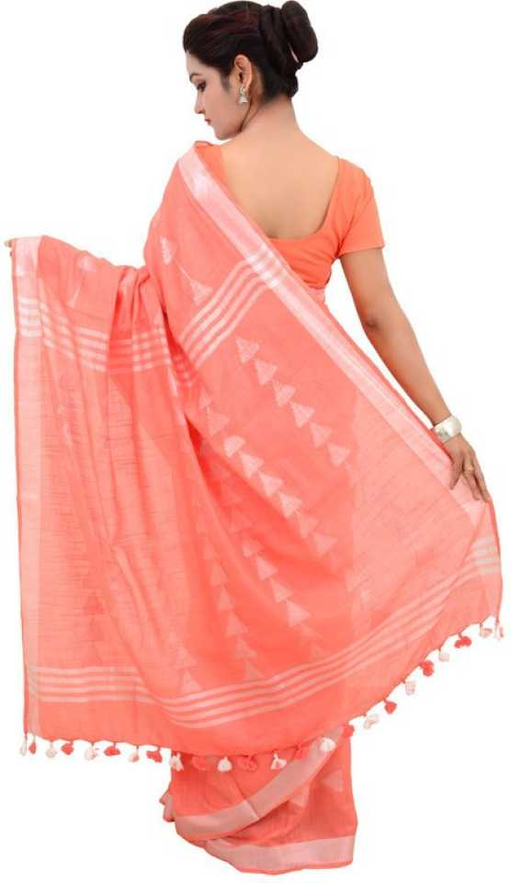

 | WH-SA-TRANGLE-SALMON

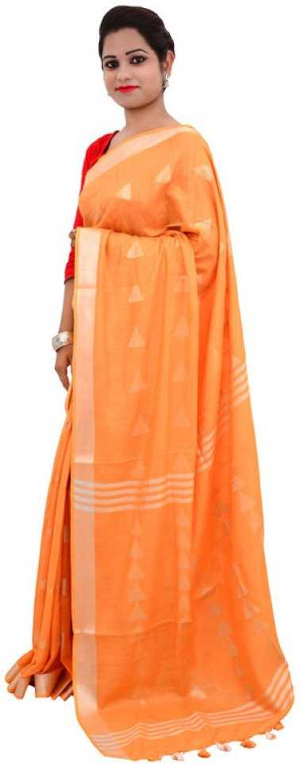

 | WH-SA-TRANGLE-ORANGE

towel
PRODUCT IMAGE | SKU ID | QTY
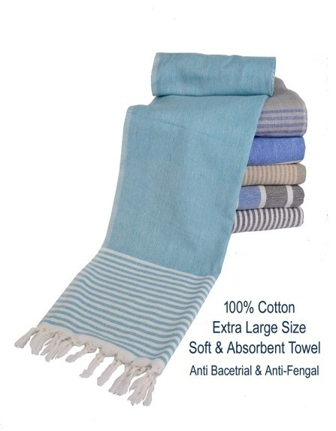

 | WH-B-TOWEL-SKYBLUE | 2

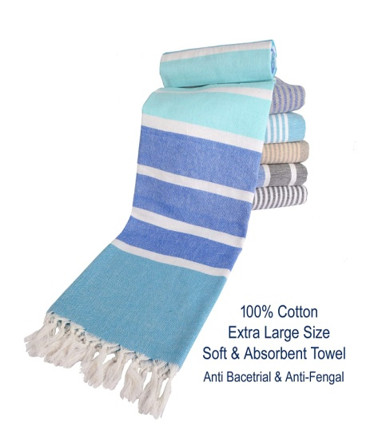

 | WH-B-TOWEL-MULTI COLOR

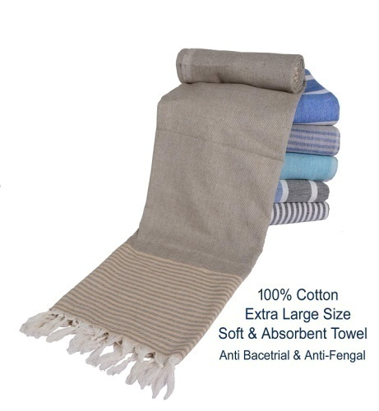

 | WH-B-TOWEL-GRAY

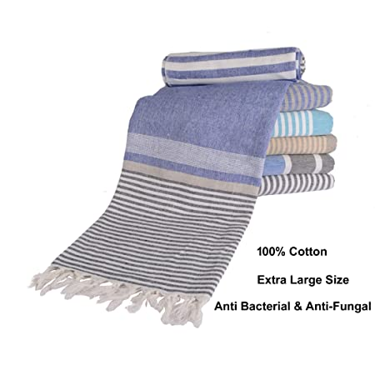

 | WH-B-TOWEL-BLUE WHITE

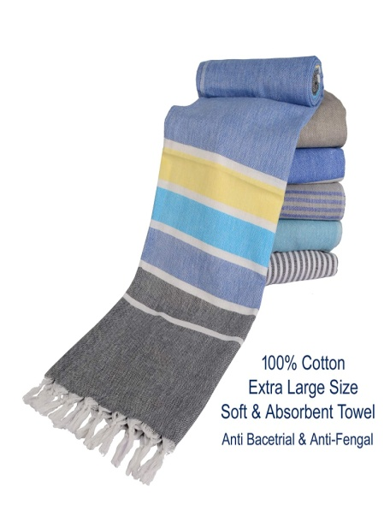

 | WH-B-TOWEL-BLUE YELLOW

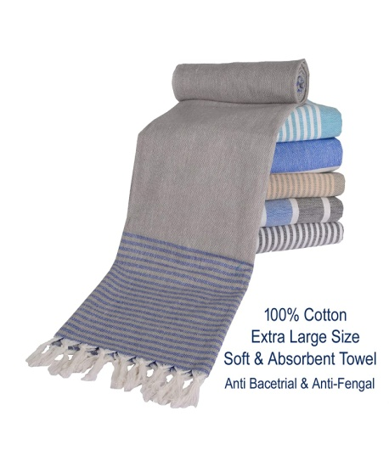

 | WH-B-TOWEL-GRAY BLUE

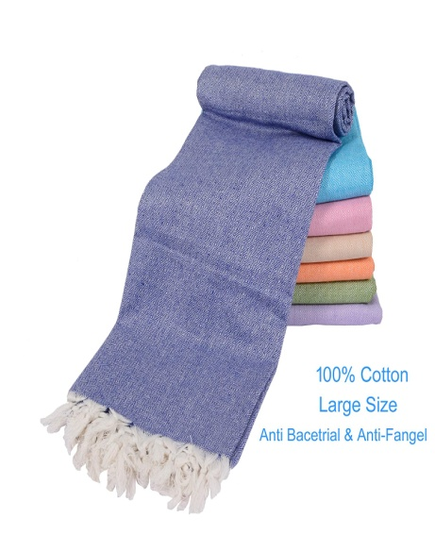

 | WH-S-TOWEL-BLUE

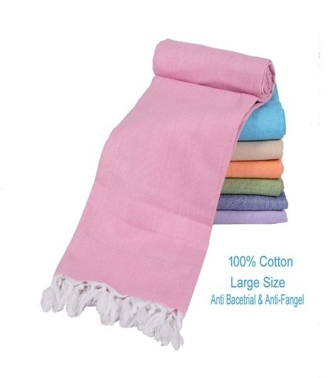

 | WH-S-TOWEL-PINK

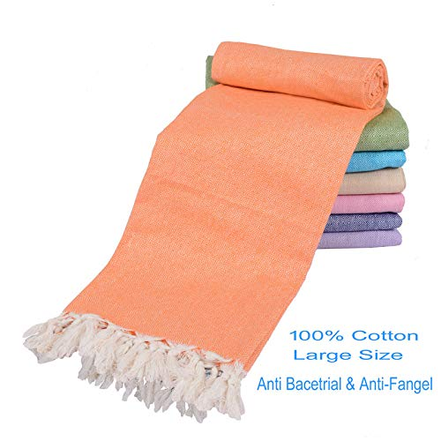

 | WH-S-TOWEL-ORANGE

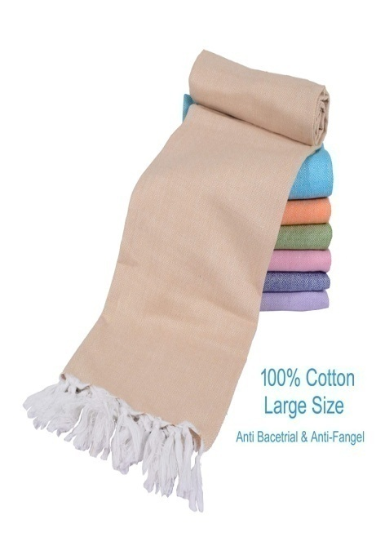

 | WH-S-TOWEL-WHEAT

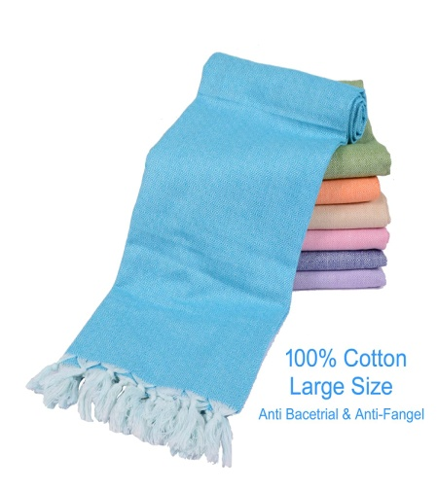

 | WH-S-TOWEL-SKYBLUE



 | WHH-S-TOWEL-LIGHT GREEN



 | WH-S-TOWEL-PURPLE

BANARASI DUPATTA
IMAGE | SKU | QTY.


 | WH-BD03-CYAN



 | WH-BD03-RED


 | WH-BD03-PINk


 | WH-BD03-BLUE



 | WK-BD-FLOWRP-BLUE



 | WK-BD-FLOWRP-PINK


 | WK-BD-FLOWRP-CYAN


 | WK-BD-FLOWRP-RED



 | WH-BD04-SQUARE-BLUE



 | WH-BDO4-SQUARE-RED



 | WH-BD04-SQUARE-PINK



 | WH-BD04-SQUARE-CYAN



 | WH-BD-MULTI-CYAN



 | WH-BD-MULTI-PINK



 | WH-BD-MULTI-RED



 | WH-BD-MULTI-GRAY

COTTON DUPATTA
IMAGE | SKU | QTY | AMAZON | FLIPKART | MEESHO | CLUBFACTORT


 | WH-DL-02-CYAN | 5 | 1



 | WH-DL-02-LIGHTGREEN | 3 | 1



 | WH-DL-02-ORANGERED | 3 | 1



 | WH-DL-02-PINK | 2 | 1



 | WH-DB-02-ORNG | 2 | 1



 | WH-DB-02-YEL0 | 2 | 0



 | WH-DB-02-PNK | 2 | 1



 | WH-DB-02-GRN | 0 | 0



 | WH-DS-01-BLACK | 3 | 1



 | WH-DS-01-PINK | 3 | 1



 | WH-DS-01-BLUE | 3 | 1



 | WH-DS-01-RED | 3 | 1


 | WH-PD-NAVY | 2 | 1



 | WH-PD-PINK | 3 | 1



 | WH-PD-WHITE | 2 | 1



 | WH-PD-RED | 3 | 1



 | WH-PD-BLUE | 3 | 1



 | WK-BDP-04-PINK



 | WK-BDP-04-ORANGE



 | WK-BDP-04-RED



 | WK-BDP-04-YELLOW



 | WK-BDP-04-BLUE



 | WK-BDP-04-OFF WHITE



 | WK-BDP-08-GREEN



 | WK-BDP-08-BLACK



 | WH-BDP-08-GRAY



 | WH-BDP-08-RED



 | WH-BDP-08-WHITE



 | BD-MIX-STRAP GREY



 | BD-MIX-PRINTED WHITE



 | BD-MIX-GOLDEN BROWN



 | BD-MIX01-PLAIN BROWN



 | BD-MIX01-PLAIN WHITE

DAL CHADAR
image | skuid | stock


 | wk-chadar-multi-single | 2



 | wk-chadar-combo-01 | 1



 | wk-chadar-blue strip | 8



 | wk-chadar-m,ulti-01 | 3



 | WH-CHD-LIT YELLOW 02 | 4



 | WH-CHAD-LIGHT PINK 01 | 2



 | WH-BGP-CHDR-RED | 2



 | WH-BGP-CHDR-GRWHST | 8



 | WH-BGP-CHDR-RDWHST | 2



 | WH-BGP-CHDR-WHYT | 5



 | WH-BGP-CHDR-YELLOW | 8



 | WH-BGP-CHDR-GREEN | 5



 | WH-BGP-CHDR-PKWHST | 5



 | WH-BGP-CHDR-PPWHST | 8



 | WH-BGP-CHDR-PINK | 15



 | WH-BGP-CHDR-MULTI | 10



 | WH-BGP-CHDR-BLUE | 9



 | wk-chadar-orange white | 7



 | wk-chadar-MULTI-06 | 0



 | WK-CHADAR-MULTI-04 | 7

THERMOCOT MENS

vWH-THR-SIL | AMAZON | MESHOO | CLUBFACTORY | FLIPKART
S | 2 |  | 1 | 2
M | 2 |  | 1 | 1
L | 2 |  | 1 | 2
XL | 2 |  | 1 | 2
XXL | 0 |  | 0 | 0


WH-THR-GRY
S | 2 |  | 1 | 1
M | 2 |  | 1 | 2
L | 2 |  | 1 | 2
XL | 3 |  | 1 | 2
XXL | 0 |  | 0 | 0


WH-THR-WH
S | 2 |  | 1 | 2
M | 2 |  | 1 | 2
L | 2 |  | 1 | 2
XL | 2 |  | 1 | 2
XXL | 0 |  | 0

